Flower type and time
Figure 1. Flower types observed on ash (Fraxinus excelsior L.). a) male flower (prior to anthesis), b) hermaphrodite flower with rudimentary gynoecium (functionally male), c) hermaphrodite flower, d) hermaphrodite flower with vestigial anthers (functionally female) and, e) female flower.

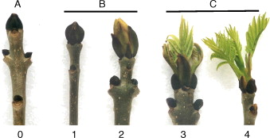

1 | 2 | 3 | 4 | 5
Closed | Swelling primary | Part emerged primary | 1/2 emerged | Fully emerged

Records were made approx. twice a week from the end of April (buds start to open) until the end of May 2013 (leaves fully emerged). Flower types and leaves emergence were observed and scored with the help of the two scales above. Recording the flower types especially by functionally male and female flowers became more obvious with the time. The leaves development was recorded observing always the most developed buds/leaves.The place of the trees in the orchard seemed to influence the development of the leaves.

